Working file
Customer ID | Gender | Car Type | Shirt Size | Class
1 | M | Family | Large | C0
2 | M | Sports | Large | C0
3 | M | Sports | Medium | C0
4 | M | Sports | Large | C0
5 | F | Sports | Small | C0
6 | F | Sports | Small | C0
7 | F | Sports | Medium | C0
8 | F | Sports | Medium | C0
9 | F | Sports | Medium | C0
10 | F | Luxury | Large | C0
11 | M | Family | Small | C1
12 | M | Family | Medium | C1
13 | M | Family | Medium | C1
14 | M | Luxury | Large | C1
15 | M | Luxury | Large | C1
16 | M | Luxury | Large | C1
17 | F | Luxury | Small | C1
18 | F | Luxury | Small | C1
19 | F | Luxury | Medium | C1
20 | F | Luxury | Large | C1

Noted that Customer ID is excluded from Gini Index calcualtion because it doesn’t provide any meaningful information for perdicting the class labels.

Step 1: | Compute the Gini Index for dataset

 | Using the Ginis Index function above we can calculate the Gini Index for Dataset as below:
 | C0 | 10
 | C1 | 10
 | Total | 20
 | Gini(parent) | 0.5

Step 2: | Compute Gini Index for each attribute/feature
 | a. Create count matrix for each class in dataset
 | b. Using the Ginis Index function above we can calculate the Gini Index
 | c. Using Gini split function (as below) to find effect of weighting partitions

 | d. Compute Gain for each split/child using the below function
 | Gain = P - M
 | where P is impurity measure before splitting (Gini index for parent/dataset)
 | M is impurity measure after splitting (Gini index for child node - weighted)

 | e. Compute Gini split for all different way of splitings for Categorial Attributes(noted that there is no Continuos Attributes)

 | f. Choose attribute test condition that produces the highest gain or equivalenty, lowest impurity after splitting (M)

 | A. Gender: Binary Attribute

 | Count Matrix | Gender |  |  | Gini index for singe node
 |  | M | F |  | Gini(M) | Gini(F)
 | C0 | 4 | 6 |  | 0.48 | 0.48
 | C1 | 6 | 4 |  | Gini split
 | Total | 10 | 10 |  | 0.24 | 0.24
 | Gini(Gender) |  | 0.48 |  | Gini (Gender) | 0.48
 | Gain(Gender) |  | 0.02

 | B. Car Type: Categorical Attribute so will demonstrate different splittings and it's Gini Index

 | Car Type | Count |  | Note:
 | Family | 4 |  | Gini Index (Car Type) = the lowest Index
 | Sports | 8 |  | Gini Index (Car Type) = |  | 0.1625
 | Luxury | 8 |  | Gain(Car Type)= |  | 0.3375
 | Total | 20 |  | Choosing Multi-way split due to highest Gain and lowest Gini Index

 | Count Matrix: Multi-way split | Car Type |  |  |  |  | Count Matrix: 2-way splits | Car Type |  | Count Matrix: 2-way splits | Car Type |  | Count Matrix: 2-way splits | Car Type
 |  | Family | Sports | Luxury |  |  |  | {Family, Sports} | {Luxury} |  | {Family, Luxury} | {Sports} |  | {Sport, Luxury} | {Family}
 | C0 | 1 | 8 | 1 |  |  | C0 | 9 | 1 | C0 | 2 | 8 | C0 | 9 | 1
 | C1 | 3 | 0 | 7 |  |  | C1 | 3 | 7 | C1 | 10 | 0 | C1 | 7 | 3
 | Total | 4 | 8 | 8 |  |  | Total | 12 | 8 | Total | 12 | 8 | Total | 16 | 4
 | Gini(Car Type) | 0.1625 |  |  |  |  | Gini(Car Type) | 0.3125 |  | Gini(Car Type) | 0.1667 |  | Gini(Car Type) | 0.4688

 | Gini index for singe node | Family | Sports | Luxury |  |  | Gini index for singe node | {Family, Sports} | {Luxury} | Gini index for singe node | {Family, Luxury} | {Sports} | Gini index for singe node | {Family, Luxury} | {Sports}
 |  | 0.375 | 0 | 0.2188 |  |  |  | 0.375 | 0.2188 |  | 0.2778 | 0.0000 |  | 0.4922 | 0.3750
 | Gini split each child | 0.075 | 0 | 0.0875 |  |  | Gini split each child | 0.225 | 0.0875 | Gini split each child | 0.1667 | 0.0000 | Gini split each child | 0.3938 | 0.0750
 | Gini (Car Type) | 0.1625 |  |  |  |  | Gini (Car Type) | 0.3125 |  | Gini (Car Type) | 0.1667 |  | Gini (Car Type) | 0.4688
 | Gain(Car Type) | 0.3375 |  |  |  |  | Gain(Car Type) | 0.1875 |  | Gain(Car Type) | 0.3333 |  | Gain(Car Type) | 0.0312

 | C. Shirt Size: Categorical Attribute with order so will demonstrate different splittings still keep order and it's Gini Index

 | Shirt Size | Count |  | Note:
 | Large | 8 |  | Gini Index (Shirt Size) = the lowest Index
 | Medium | 7 |  | Gini Index (Shirt Size) = |  | 0.4914
 | Small | 5 |  | Gain(Shirt Size)= |  | 0.0086
 | Total | 20 |  | Choosing Multi-way split due to highest Gain and lowest Gini Index

 | Count Matrix: Multi-way split | Shirt Size |  |  |  |  | Count Matrix: 2-way splits | Shirt Size |  | Count Matrix: 2-way splits | Shirt Size
 |  | Large | Medium | Small |  |  |  | {Large, Medium} | {Small} |  | {Small, Medium} | {Large}
 | C0 | 4 | 4 | 2 |  |  | C0 | 8 | 2 | C0 | 6 | 4
 | C1 | 4 | 3 | 3 |  |  | C1 | 7 | 3 | C1 | 6 | 4
 | Total | 8 | 7 | 5 |  |  | Total | 15 | 5 | Total | 12 | 8
 | Gini(Shirt Size) | 0.4914 |  |  |  |  | Gini(Shirt Size) | 0.4933 |  | Gini(Shirt Size) | 0.5000

 | Gini index for singe node | Large | Medium | Small |  |  | Gini index for singe node | {Large, Medium} | {Small} | Gini index for singe node | {Small, Medium} | {Large}
 |  | 0.5 | 0.4898 | 0.48 |  |  |  | 0.4978 | 0.48 |  | 0.5000 | 0.5
 | Gini split each child | 0.2 | 0.1714 | 0.12 |  |  | Gini split each child | 0.3733 | 0.12 | Gini split each child | 0.3000 | 0.2
 | Gini (Shirt Size) | 0.4914 |  |  |  |  | Gini (Shirt Size) | 0.4933 |  | Gini (Shirt Size) | 0.5000
 | Gain(Shirt Size) | 0.0086 |  |  |  |  | Gain(Shirt Size) | 0.0067 |  | Gain(Shirt Size) | 0.0000
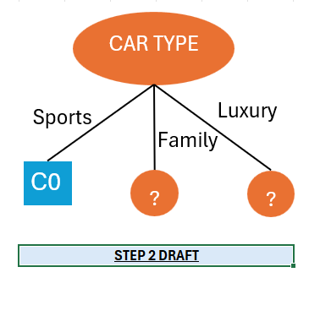

Step 2 conclusion
 | From all the Gini index calculation above, Gini & Gain summary as below:

 |  | Gender | Car Type | Shirt Size
 | Gini | 0.48 | 0.1625 | 0.4914
 | Gain | 0.02 | 0.3375 | 0.0086

 | Car Type has the lowest Gini Index and Highest Gain. We will take this as Root Node

Step 3: | Repeat Step 1 & 2 with reduced data set to find the next splitting attribute

 | Car Type -> Family - New Data Set

 | Customer ID | Gender | Car Type | Shirt Size | Class
 | 1 | M | Family | Large | C0
 | 11 | M | Family | Small | C1
 | 12 | M | Family | Medium | C1
 | 13 | M | Family | Medium | C1

 | C0 | 1 | data check if total instance of class = car - family
 | C1 | 3
 | Total | 4 | 4 | 0
 | Gini(parent) | 0.375

 | A. Gender: Binary Attribute

 | Count Matrix | Gender |  |  | Gini index for singe node
 |  | M | F |  | Gini(M) | Gini(F)
 | C0 | 1 | 0 |  | 0.375 | 0
 | C1 | 3 | 0 |  | Gini split
 | Total | 4 | 0 |  | 0.375 | 0
 | Gini(Gender) |  | 0.375 |  | Gini (Gender) | 0.375
 | Gain(Gender) |  | 0

 | C. Shirt Size: Categorical Attribute with order so will demonstrate different splittings still keep order and it's Gini Index

 | Shirt Size | Count |  | Note:
 | Large | 1 |  | Gini Index (Shirt Size) = the lowest Index
 | Medium | 2 |  | Gini Index (Shirt Size) = |  | 0.0000
 | Small | 1 |  | Gain(Shirt Size)= |  | 0.5000
 | Total | 4 |  | The Booth Multi-way split and the 2-way split of {Small, Medium} and {Large} have the same highest Gain and lowest Gini Index. However, I will choose the two-way split because it is less computationally expensive.

 | Count Matrix: Multi-way split | Shirt Size |  |  |  |  | Count Matrix: 2-way splits | Shirt Size |  | Count Matrix: 2-way splits | Shirt Size
 |  | Large | Medium | Small |  |  |  | {Large, Medium} | {Small} |  | {Small, Medium} | {Large}
 | C0 | 1 | 0 | 0 |  |  | C0 | 1 | 0 | C0 | 0 | 1
 | C1 | 0 | 2 | 1 |  |  | C1 | 2 | 1 | C1 | 3 | 0
 | Total | 1 | 2 | 1 |  |  | Total | 3 | 1 | Total | 3 | 1
 | Gini(Shirt Size) | 0.0000 |  |  |  |  | Gini(Shirt Size) | 0.3333 |  | Gini(Shirt Size) | 0.0000

 | Gini index for singe node | Large | Medium | Small |  |  | Gini index for singe node | {Large, Medium} | {Small} | Gini index for singe node | {Small, Medium} | {Large}
 |  | 0.0000 | 0.0000 | 0.0000 |  |  |  | 0.4444 | 0.0000 |  | 0.0000 | 0.0000
 | Gini split each child | 0.0000 | 0.0000 | 0.0000 |  |  | Gini split each child | 0.3333 | 0.0000 | Gini split each child | 0.0000 | 0.0000
 | Gini (Shirt Size) | 0.0000 |  |  |  |  | Gini (Shirt Size) | 0.3333 |  | Gini (Shirt Size) | 0.0000
 | Gain(Shirt Size) | 0.5000 |  |  |  |  | Gain(Shirt Size) | 0.1667 |  | Gain(Shirt Size) | 0.5000
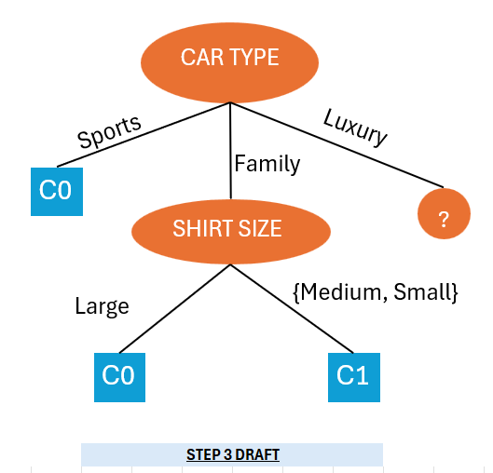

Step 3 concludsion
 | From all the Gini index calculation above, Gini & Gain summary as below:

 |  | Gender | Shirt Size
 | Gini | 0.375 | 0.0000
 | Gain | 0 | 0.5000

 | Shirt Size has the lowest Gini Index and Highest Gain. We will take this as next attribute

Step 4 | Repeat Step 1 & 2 with reduced data set to find the next splitting attribute

 | Car Type -> Luxury - New Data Set

 | Customer ID | Gender | Car Type | Shirt Size | Class
 | 10 | F | Luxury | Large | C0
 | 14 | M | Luxury | Large | C1
 | 15 | M | Luxury | Large | C1
 | 16 | M | Luxury | Large | C1
 | 17 | F | Luxury | Small | C1
 | 18 | F | Luxury | Small | C1
 | 19 | F | Luxury | Medium | C1
 | 20 | F | Luxury | Large | C1

 | C0 | 1 | data check if total instance of class = car - luxury
 | C1 | 7
 | Total | 8 | 8 | 0
 | Gini(parent) | 0.21875

 | A. Gender: Binary Attribute

 | Count Matrix | Gender |  |  | Gini index for singe node
 |  | M | F |  | Gini(M) | Gini(F)
 | C0 | 0 | 1 |  | 0 | 0.32
 | C1 | 3 | 4 |  | Gini split
 | Total | 3 | 5 |  | 0 | 0.2
 | Gini(Gender) |  | 0.2 |  | Gini (Gender) | 0.20
 | Gain(Gender) |  | 0.01875

 | C. Shirt Size: Categorical Attribute with order so will demonstrate different splittings still keep order and it's Gini Index

 | Shirt Size | Count |  | Note:
 | Large | 5 |  | Gini Index (Shirt Size) = the lowest Index
 | Medium | 1 |  | Gini Index (Shirt Size) = |  | 0.2000
 | Small | 2 |  | Gain(Shirt Size)= |  | 0.0188
 | Total | 8 |  | Booth Multi-way split and 2-way split of {Small,Medium},{Large} has the same highest Gain and lowest Gini Index, so both reduce impurity equally. I’ll choose the two-way split as the data is evenly distributed, leading to a simpler and more balanced tree, which reduces complexity and helps prevent overfitting.

 | Count Matrix: Multi-way split | Shirt Size |  |  |  |  | Count Matrix: 2-way splits | Shirt Size |  | Count Matrix: 2-way splits | Shirt Size
 |  | Large | Medium | Small |  |  |  | {Large, Medium} | {Small} |  | {Small, Medium} | {Large}
 | C0 | 1 | 0 | 0 |  |  | C0 | 1 | 0 | C0 | 0 | 1
 | C1 | 4 | 1 | 2 |  |  | C1 | 5 | 2 | C1 | 3 | 4
 | Total | 5 | 1 | 2 |  |  | Total | 6 | 2 | Total | 3 | 5
 | Gini(Shirt Size) | 0.2000 |  |  |  |  | Gini(Shirt Size) | 0.2083 |  | Gini(Shirt Size) | 0.2000

 | Gini index for singe node | Large | Medium | Small |  |  | Gini index for singe node | {Large, Medium} | {Small} | Gini index for singe node | {Small, Medium} | {Large}
 |  | 0.3200 | 0.0000 | 0.0000 |  |  |  | 0.2778 | 0.0000 |  | 0.0000 | 0.3200
 | Gini split each child | 0.2000 | 0.0000 | 0.0000 |  |  | Gini split each child | 0.2083 | 0.0000 | Gini split each child | 0.0000 | 0.2000
 | Gini (Shirt Size) | 0.2000 |  |  |  |  | Gini (Shirt Size) | 0.2083 |  | Gini (Shirt Size) | 0.2000
 | Gain(Shirt Size) | 0.0188 |  |  |  |  | Gain(Shirt Size) | 0.0104 |  | Gain(Shirt Size) | 0.0188

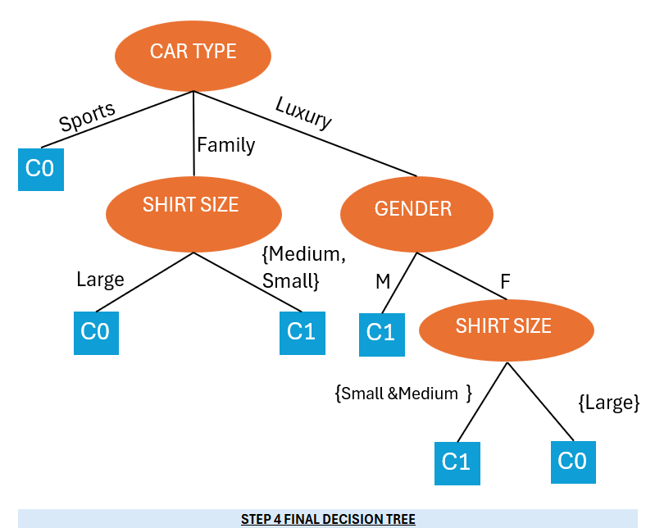

Step 4 Conclusion
 | From all the Gini index calculation above, Gini & Gain summary as below:

 |  | Gender | Shirt Size
 | Gini | 0.20 | 0.2000
 | Gain | 0.0188 | 0.0188

 | Since both the attributes have the same Gini Index and Gain, there is no clear mathematical advantage in choosing one over the other. To break the tie, I will choose Gender as the next splitting attribute. Although the Gini Index and Gain are equal, Gender has fewer distinct values and may lead to a simpler tree structure. This will make the decision tree easier to interpret and help prevent overfitting by not creating unnecessary branches

 | At the final splitting attribute—Shirt Size—there is no substantial evidence that the {Large} shirt size belongs to either class (C0 or C1), as both classes have an equal number of instances (1 each). Given that {Small & Medium} is classified as C1, choosing C0 for {Large} appears more balanced. This approach supports a more diverse representation of shirt sizes within the classes.

 | Customer ID | Gender | Car Type | Shirt Size | Class
 | 10 | F | Luxury | Large | C0
 | 17 | F | Luxury | Small | C1
 | 18 | F | Luxury | Small | C1
 | 19 | F | Luxury | Medium | C1
 | 20 | F | Luxury | Large | C1

 | Count Matrix: Multi-way split | Shirt Size |  |  |  |  | Count Matrix: 2-way splits | Shirt Size |  | Count Matrix: 2-way splits | Shirt Size
 |  | Large | Medium | Small |  |  |  | {Large, Medium} | {Small} |  | {Small, Medium} | {Large}
 | C0 | 1 | 0 | 0 |  |  | C0 | 1 | 0 | C0 | 0 | 1
 | C1 | 1 | 1 | 2 |  |  | C1 | 2 | 2 | C1 | 3 | 1
 | Total | 2 | 1 | 2 |  |  | Total | 3 | 2 | Total | 3 | 2
 | Gini(Shirt Size) | 0.1250 |  |  |  |  | Gini(Shirt Size) | 0.1667 |  | Gini(Shirt Size) | 0.1250

 | Gini index for singe node | Large | Medium | Small |  |  | Gini index for singe node | {Large, Medium} | {Small} | Gini index for singe node | {Small, Medium} | {Large}
 |  | 0.5000 | 0.0000 | 0.0000 |  |  |  | 0.4444 | 0.0000 |  | 0.0000 | 0.5000
 | Gini split each child | 0.1250 | 0.0000 | 0.0000 |  |  | Gini split each child | 0.1667 | 0.0000 | Gini split each child | 0.0000 | 0.1250
 | Gini (Shirt Size) | 0.1250 |  |  |  |  | Gini (Shirt Size) | 0.1667 |  | Gini (Shirt Size) | 0.1250
 | Gain(Shirt Size) | 0.0938 |  |  |  |  | Gain(Shirt Size) | 0.0521 |  | Gain(Shirt Size) | 0.0938

Decision Tree
CAR TYPE

Sports
Luxury

Family

C0

SHIRT SIZE
GENDER

{Medium, Small}

Large
M
F

C0
C1
SHIRT SIZE
C1

{Small &Medium }
{Large}

C1
C0

STEP 4 FINAL DECISION TREE

CAR TYPE

Sports
Luxury

Family

C0
?
SHIRT SIZE

{Medium, Small}
Large

C0
C1

 |  | STEP 3 DRAFT

CAR TYPE

Sports
Luxury

Family

C0

SHIRT SIZE
GENDER

{Medium, Small}

Large
M
F

C0
C1
SHIRT SIZE
C1

 | STEP 4 DRAFT

CAR TYPE

Luxury
Sports
Family

C0
?
?

 |  |  | STEP 2 DRAFT

